key_issues
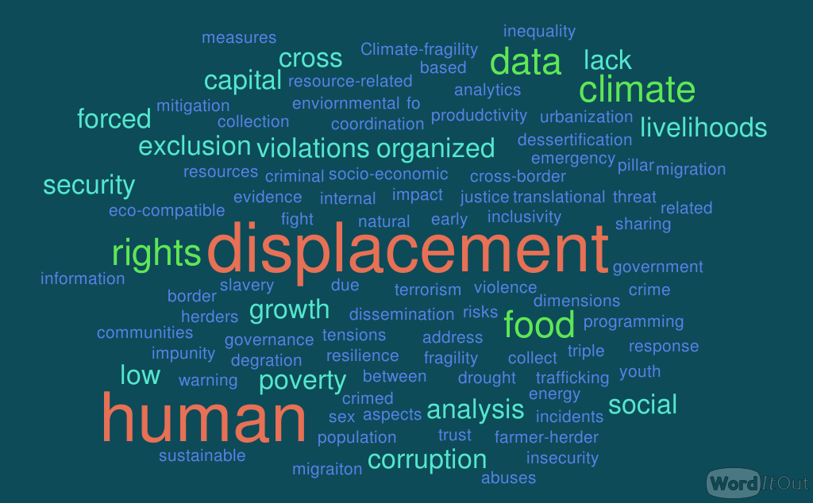
UN agency | Key issues for Agency | Keywords | Keyword | Frequency
UNDCO | Better coordination among UN entities, implementation of UN reforms, strengthened cross border, cross pillar analysis and analytics, | coordination, cross border analysis, cross pillar analytics | displacement | 6
UNFPA | High population growth; Social and gender inequalities; Human capital; | population growth, inequality, human capital | human | 6
UNODC West and Central Africa | Countering terrorism and transnational organized crime; Strengthening criminal justice systems; Addressing corruption | terrorism, organized crime, corruption | conflict | 5
UNDESA | Improving the collection, analysis and dissemination of population data | collection, analysis and dissemination fo data | data | 3
UNODC | Countering terrorism and transnational organized crime ; strengthening criminal justice ; addressing corruption | translational organized crimed, criminal justice, corruption | rights | 3
UNHCR | 1.Population displaced as a result of climate change are often not registered as Internally Displaced Persons. 2. There is no early warning mechanisms and emergency preparedness on displacement as a result of climate change 3.Emergency response is not eco-compatible (plastic sheeting, plastic jerrycans, plastic mats, use of fire-woods contributing to deforestation, generators, etc. 4.Lack of data and evidence-based programming | displacement due to climate, no early warning on displacement, emergency response is not eco-compatible, lack of programming based on data and evidence | climate | 3
United Nations Convention to Combat Desertification (UNCCD) | restore the productivity of vast expanses of degraded land, improve the livelihoods, and reduce the impacts of drought on vulnerable populations to avoid, minimize, and reverse desertification/land degradation and mitigate the effects of drought. | livelihoods, produdctivity, impact of drought, dessertification, degration | food | 3
DPPA | In Chad, DPPA tries to promote increased inclusivity and advocates for a strengthening of the social contract between the Government and the population in particular in the peripheries, and including through increased engagement with state institutions. DPPA also seeks to operationalize increased cross-border information sharing in relation to the complex cross-border conflict dynamics. | inclusivity, cross-border information sharing
UN-Habitat | Land- and natural resources-related conflicts, displacement, migration, sustainable urbanisation. | resource-related conflict, displacement, migration, sustainable urbanization
United Nations Environment Programme | Climate-fragility risks. | Climate-fragility risks.
UNDP | UNDP supports countries of the Sahel to yield and sustain development gains by focusing on the region’s vast opportunities. With over 64 percent of the region’s 150 million people under the age of 25, there is enormous potential for socio-economic growth. By focusing on the region’s opportunities—such as investing in Sahel youth and in natural resources—UNDP helps address the triple threat of poverty, exclusion and climate change. UNDP is currently developing an offer on the Sahel that will focus on 3 main pillars: Governance, Energy and Youth | socio-economic growth, natural resources, triple poverty threat, exclusion, governance, energy, youth
UN Human Rights / OHCHR | Consistent with UN Human Rights/OHCHR mandate, we strive to collect data on human rights related incidents, cases and trends across all human rights issues in the Sahel region. Among other efforts, we have for example two programmes in the region at the moment: one on climate change and migration; and one on a human rights compliance framework for the G5 Sahel Joint Forces (G5 Sahel-CF project). As regards the G5 Sahel-CF project, the programme is seeking to: 1. Ensure there is a robust and effective compliance to IHL,IHRL and IRL for the G5 Sahel operations in the Sahel region 2. Establish of mitigation measures and mechanisms to address violations of international human rights law and breaches of IHL by the G5 Sahel operations through screening and vetting, training for forces, monitoring and reporting. 3. Fight against impunity for serious human rights violations and abuses and ensure there is justice for the victims with a special focus to women and children. 4. Address various human rights issues including sex slavery, human trafficking and forced migrations related to climate change and migration in the Sahel. | collect data on human rights related incidents, mitigation measures to address violations of human rights, fight impunity, abuses, human rights violations, sex slavery, human trafficking, forced displacement
OCHA Centre for Humanitarian Data | Food security, Conflict | food security , conflict
FAO | Food security, poverty, and resilience to climate change | food security, poverty, resilience to climate
International Organization for Migration | 1. Internal Displacement and Returns of IDPs to their areas of origin (BFA, MLI, NER) in conflict settings as well as internal displacement following natural disasters (with seasonal floods and droughts). Issues to address: mitigating the negative impact of internal displacement on host community or strengthen the resilience of communities affected by displacement? Supporting safe and sustainable returns in areas where it is possible, ensuring access to durable solutions for people willing to return to their community of origin 2. Transhumance: anticipate and mitigate conflicts/tensions between herders and surrounding communities’ dependent on changes in function of seasonal movements 3. Environment aspects: With respect to the the Migration, Environment and Climate Change (MECC) nexus: IOM in West and Central Africa is supporting evidence-based policymaking and policy coherence. To channel its intervention, IOM identified three major gradual onset environmental processes as having important impacts on human mobility in the region: coastal erosion, land degradation and water scarcity. Urbanization has also been identified as an important phenomenon to address, both from a migration and an environmental perspective. When it comes to concrete action, IOM encourages the promotion of green jobs and works for migrants, including youth (such as agroecology, green energy sector, etc.) as well as diaspora’s engagement into (climate) resilience of territories of origin and sustainable development. To allow the development of such interventions, IOM is committed to work with States, donors and medias to address one of the major hurdles to such interventions, the policy (and consequently the funding) gap regarding human mobility in the context of climate change and environmental degradation. In areas affected also by conflict (and now by the COVID-19 pandemic), IOM promotes the importance of a “multi-hazard” and multidimensional response. Conflict zones | internal displacement, conflict, tensions between herders and communities, enviornmental aspects of migraiton
World Bank | Fragility, conflict and violence; food insecurity; forced displacement; social dimensions of climate change; farmer-herder conflict; social exclusion; low trust in government services; low human capital and public service provision; insufficient job opportunities | fragility, conflict, violence, food insecurity, forced displacement, social dimensions of climate, farmer-herder conflict, social exclusion, low trust in government, low human capital, lack of livelihoods
WMO | WMO and it's community of Regional Climate Centres and National Hydrometeorological Services aim to provide weather and climate science and services that help protect lives and livelihoods. Indeed in WMO's 18th Congress, in June 2019, Resolutions Cg-18 13 and 14 are aimed at supporting humanitarian agencies with improved weather and climate services.

